Black-76-Futures Option-Put
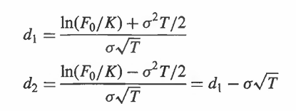
Current Futures Price | $20
Futures Option Strike Price | $20
Period in Months | 4 | 0.33
Risk Free Rate | 9%
Volatility of Futures Price | 25%

Ln (F0/K) | $-
s2T | $0.02

d1 | 0.072
d2 | (0.072)

N(-d1) | 0.471
N(-d2) | 0.529

Put Otion Price | $1.12

