Sheet1
Item |  |  | Continuous Libor Rates
Notional (L) | $100.00 |  | 6 Month (last) | 10.2%
Fixed rate (annual) | 8% |  | 3 Month | 10.0%
Payment Frequency (Months) | 6.00 |  | 9 Month | 10.5%
Remained Period (Months) | 15.00 |  | 15 Month | 11.0%

Time (yrs) | Fixed Bond Cashflow | Floating Bond Cashflow | Discount factor | PV of Fixed Payments | PV of Floating Payments
0.25 | $4.00 | $105.10 | 0.975 | $3.90 | $102.51
0.75 | $4.00 |  | 0.924 | $3.70
1.25 | $104.00 |  | 0.872 | $90.64
Total |  |  |  | $98.238 | $102.505

Swap Value (+/-) | $4.267

Time (yrs) | Fixed Bond Cashflow | Continuous Forward Rate | Forward Rate | Floating Bond Cashflow | Discount factor | PV of Fixed Payments | PV of Floating Payments
0.25 | $4.00 | - | - | $5.10 | 0.975 | $3.90 | $4.97
0.75 | $4.00 | 10.8% | 11.04% | $5.52 | 0.924 | $3.70 | $5.10
1.25 | $4.00 | 11.8% | 12.10% | $6.05 | 0.872 | $3.49 | $5.27
Total |  |  |  |  |  | $11.084 | $15.352

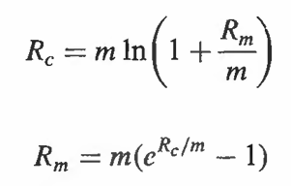
Swap Value (+/-) | $4.267

