BSM
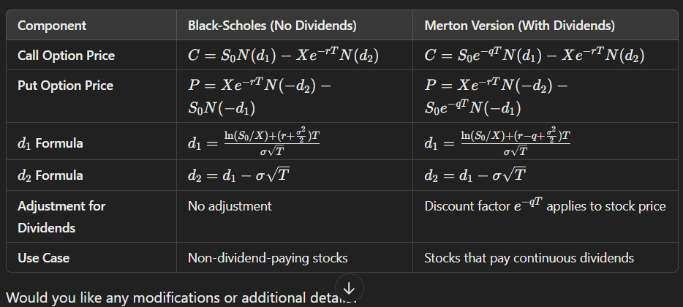
Basic Data | Black-Scholes | Merton
Underling Active Price (P) | $35 | $35
Exercise Price (EX) | $27 | $27
Discount Rate % (r ) | 4.00 | 4.00
Annual Rate (A) / Continuous Rate (C)? | a | a
Expected Holding Time | 3.00 | 3.00
Annual Standard Deviation % (s) | 15 | 15
Continuously compounded dividend rate
Corresponding Continuous Rate % | 3.92 | 3.92
Interim Calculations
PV(EX) | 24.00 | 24.00
d1 = log[P/PV(EX)]/st + st/2 | 1.5816 | 1.5816
d2 = d1 - st | 1.3218 | 1.3218
N(d1) = delta | 0.9431 | 0.9431
N(d2) | 0.9069 | 0.9069
Option Prices
Call value = N(d1) x P - N(d2) x PV(EX) | $11.24 | $11.24
Put value = Call value + PV(EX) - S | $0.24 | $0.24

https://www.omnicalculator.com/finance/black-scholes

