WACC
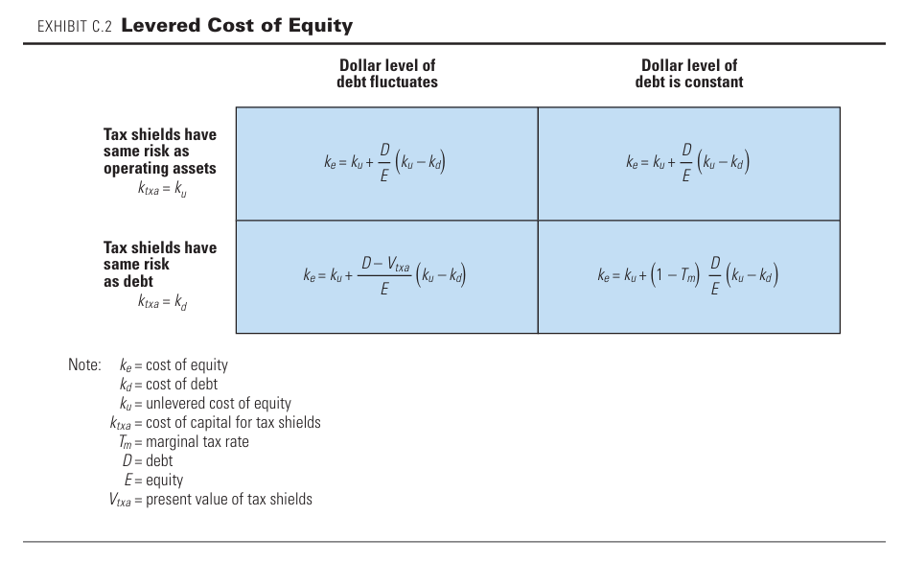
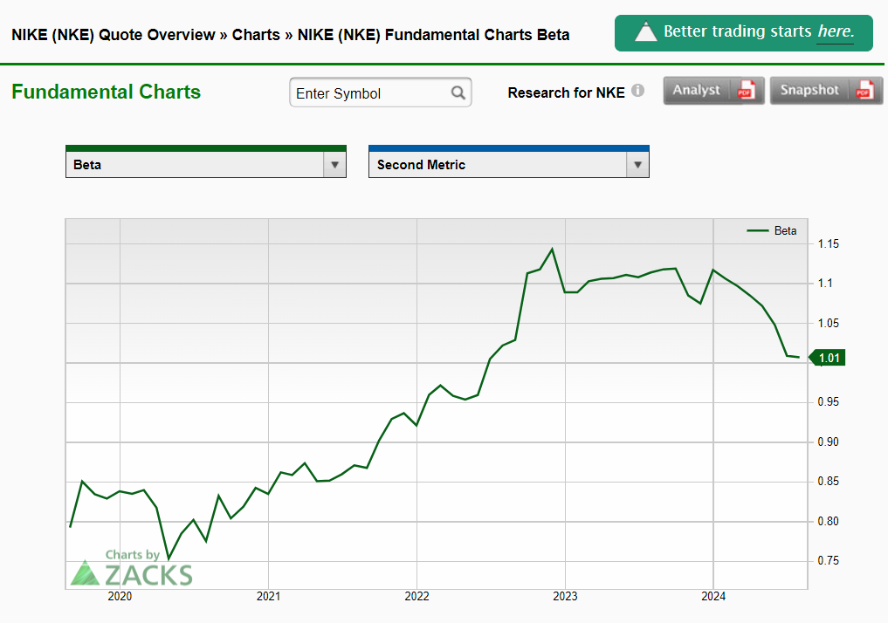
 |  |  | USD | Textiles & Apparel
 |  |  |  |  |  | Beta Chart: | https://www.zacks.com/stock/chart/NKE/fundamental/beta
Current Debt & (Bil $) | $12 |  | 10 Year T Bond | 3.97% |  | Risk Free Rate | https://markets.ft.com/data/bonds
Market Cap | $125 |  | Company Beta | 1.01 |  | Debt Rating | https://neoinsight.wordpress.com/2024/05/20/cost-of-debt/
Current Leverage | 8.7% |  | Industry Beta | 1.19
Industry Leverage | 32.0% |  | Adjusted Beta | 1.07
Target Leverage | 20.4% |  | MRP | 5.30%
 |  |  | CoE | 9.63%
Debt Rating | AA
Cost of Debt | 4.7% |  | Last Close | $83.28

Source of Capital | Current Proportion | CoC | Marginal Tax Rate | After Tax CoC | Contribution to WACC |  | Source of Capital | Target Proportion Adjusted Beta | CoC | Marginal Tax Rate | After Tax CoC | Contribution to WACC
Debt & Eq. | 9% | 4.67% | 13.21% | 4.05% | 0.4% |  | Debt & Eq. | 20% | 4.67% | 13.21% | 4.05% | 0.8%
Equity | 91% | 9.32% |  | 9.32% | 8.5% |  | Equity | 80% | 9.63% |  | 9.63% | 7.7%
WACC | 100% | 8.91% |  | 8.86% | 8.86% |  | WACC | 100% | 8.62% |  | 8.49% | 8.49%

Source of Capital | Target Proportion - Relevered CoE | CoC | Marginal Tax Rate | After Tax CoC | Contribution to WACC
Debt & Eq. | 20.4% | 4.67% | 13.21% | 4.05% | 0.8%
Equity | 79.6% | 10.00% |  | 10.00% | 8.0%
WACC | 100% | 8.91% |  | 8.78% | 8.78%

Unlevered CoE
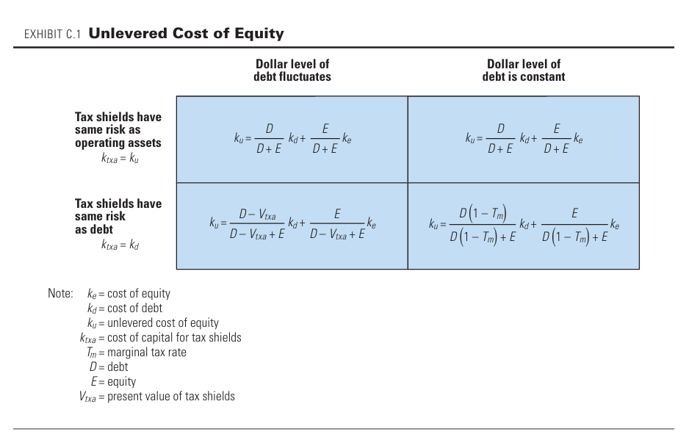
Key Inputs | Variable Debt |  | Fixed Debt
Risk is same as: | Assets | Debts | Assets | Debts
Cost of Equity | 9.3% | 9.3% | 9.3% | 9.3%
Cost of Debt | 4.7% | 4.7% | 4.7% | 4.7%
Cost of Capital for Tax Shield | 8.9% | 4.7% | 8.9% | 4.7%
Marginal Tax Rate | 13.2% | 13.2% | 13.2% | 13.2%
Market Value of Debt | 9% | $0.09 | $0.09 | $0.09
Market Value of Equity | 91% | $0.91 | $0.91 | $0.91
Present Value of Tax Shield | - | $0.03 | - | $0.01
Leverage - D/(D+E) | 8.7% | - | 8.7%
Debt Growt Rate | - | 3.0% | - | 0.0%
Unlevered Cost of Equity | 8.91% | 9.05% | 8.91% | 9.0%

