Unlevered CoE
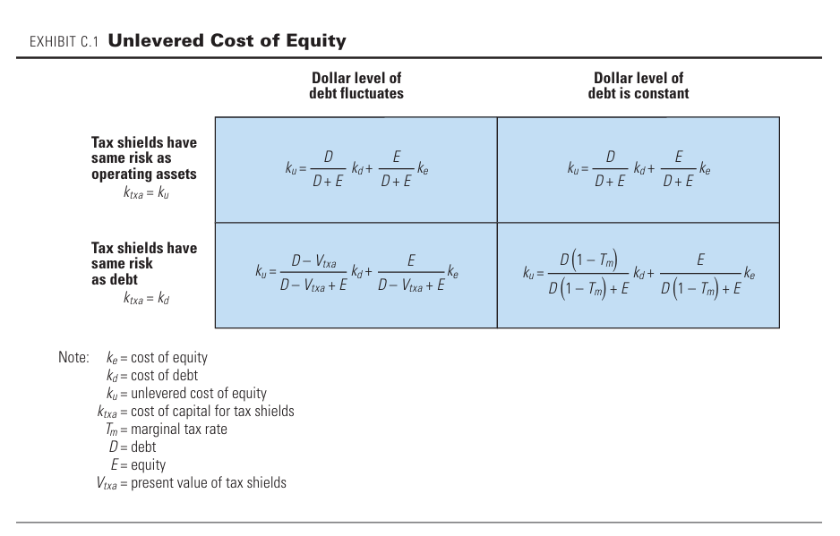
Key Inputs | Variable Debt |  | Fixed Debt
Cost of Equity | 10.0% | 10.0% | 10.0% | 10.0%
Cost of Debt | 4.0% | 4.0% | 4.0% | 4.0%
Cost of Capital for Tax Shield | 8.2% | 4.0% | 8.2% | 4.0%
Marginal Tax Rate | 15.0% | 15.0% | 15.0% | 15.0%
Market Value of Debt | $30.00 | $30.00 | $30.00 | $30.00
Market Value of Equity | $70.00 | $70.00 | $70.00 | $70.00
Present Value of Tax Shield | - | $18.00 | - | $4.50
Leverage - D/(D+E) | 30.0% | - | 30.0%
Debt Growt Rate | - | 3.0% | - | 0.0%
Unlevered Cost of Equity | 8.20% | 9.12% | 8.20% | 8.4%

Levered CoE
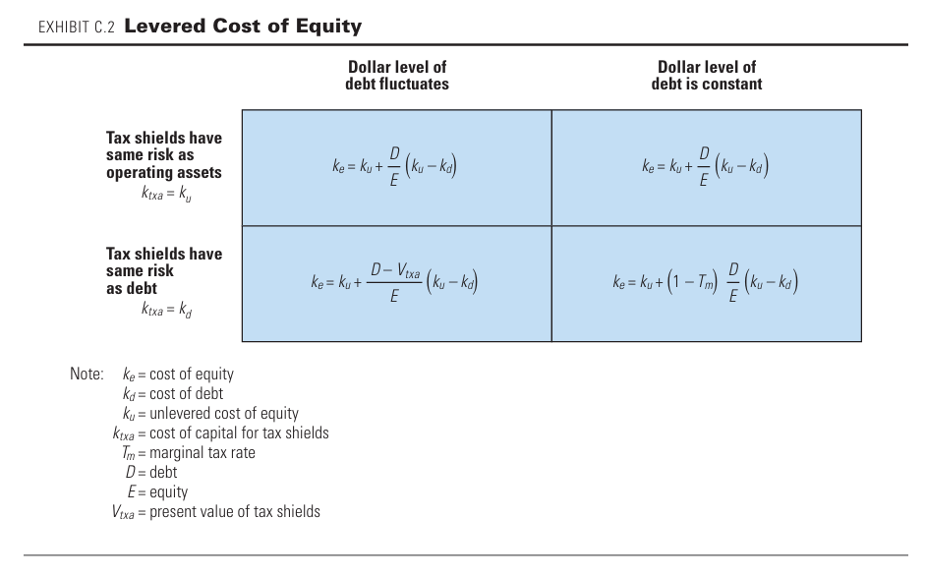
Key Inputs | Variable Debt |  | Fixed Debt
Unlevered Cost of Equity | 8.2% | 8.2% | 8.2% | 8.2%
Cost of Debt | 4.0% | 4.0% | 4.0% | 4.0%
Cost of Capital for Tax Shield | 8.2% | 4.0% | 8.2% | 4.0%
Marginal Tax Rate | 15.0% | 15.0% | 15.0% | 15.0%
Market Value of Debt | $30.00 | $30.00 | $30.00 | $30.00
Market Value of Equity | $70.00 | $70.00 | $70.00 | $70.00
Present Value of Tax Shield | - | $18.00 | - | -
D/E | 42.9% | - | 42.9% | 42.9%
Debt Growt Rate | - | 3.0% | - | 0.0%
Cos of Equity | 10.00% | 8.92% | 10.00% | 9.7%

Levered Beta
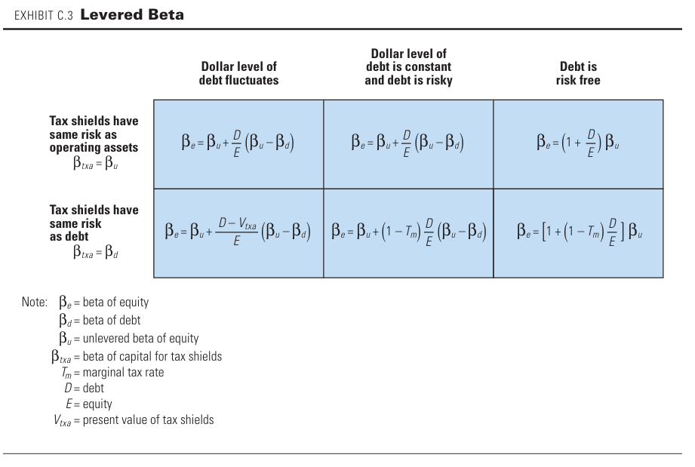
Key Inputs | Variable Debt |  | Fixed Risky Debt |  | Fixed Risk Free Debt
UE Beta | 1.00 | 1.00 | 1.00 | 1.00 | 1.00 | 1.00
D Beta | 0.20 | 0.20 | 0.20 | 0.20 | - | -
Capital for Tax Shield Beta | 1.00 | 0.20 | 1.00 | 0.20 | 1.00 | -
Marginal Tax Rate | 0.15 | 0.15 | 0.15 | 0.15 | 0.15 | 0.15
Market Value of Debt | $30.00 | $30.00 | $30.00 | $30.00 | $30.00 | $30.00
Market Value of Equity | $70.00 | $70.00 | $70.00 | $70.00 | $70.00 | $70.00
Present Value of Tax Shield | - | $5.29 | - | - | - | -
D/E | 42.9% | - | 42.9% | 42.9% | 42.9% | 42.9%
Debt Growt Rate | - | 3.0% | - | 0.0%
E Beta | 1.34 | 1.28 | 1.34 | 1.29 | 1.43 | 1.36

